Sheet2
 | DV: # human answers | DV: harzard first human answer
treatment | 0.226 | 1.113
treatment:log_textLengthCNAI_fillna | -0.045 | -0.227
treatment:AISimWithOpus47_fillna | 0 | 0
 | DV: # other answers | DV: harzard second answer | DV: answer1_answer2_similarity
treatment | 0.684 | 1.239 | 0 |  | mean | std |  | mean | std
log_textLengthCN1Ans | -0.026 | -0.208 | 0 | log_textLengthCN1Ans | 3.17337 | 6.150986 | AI | 5.675991 | 0.5556025
treatment:log_textLengthCN1Ans | -0.058 | 0 | 0 |  |  |  | Human | 3.443393 | 1.337533
SimWithOpus1Ans | 0 | 0 | 0.494 | SimWithOpus1Ans | 0.3290497 | 0.6833675 | AI | 0.55539 | 0.1520596
treatment:SimWithOpus1Ans | 0 | 0 | -0.109 |  |  |  | Human | 0.4452611 | 0.1869011

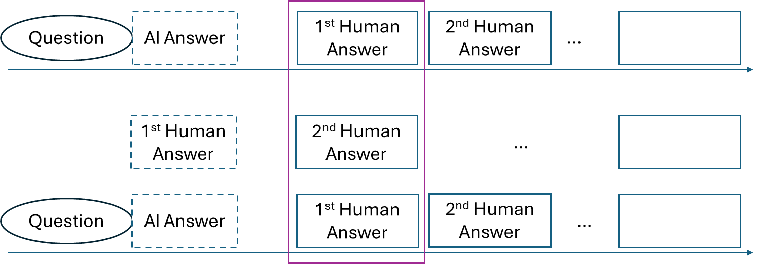

log_textLengthCNAI_fillna | AI Answer | Human Answer
0 | 0.226 | 0
5.6385 | -0.0277325 | -0.2537325

 | AI Answer | Human Answer
5.1203885 | 0.253887366
6.2315935 | 0.160546146
2.10586 |  | -0.05475236
4.780926 |  | -0.124304076

 | DV: # other answers
log_textLengthCN1Ans | AI Answer | Human Answer
5.1203885 | 0.253887366
6.2315935 | 0.160546146
2.10586 |  | -0.05475236
4.780926 |  | -0.124304076

 | DV: answer1_answer2_similarity
SimWithOpus1Ans | AI Answer | Human Answer
0.4033304 | 0.155282204
0.7074496 | 0.272368096
0.25836 |  | 0.12762984
0.6321622 |  | 0.3122881268

